Document History
국민대학교 종합정보시스템 구축
업무기능분해도
Document History

No | Version | Change Date | Change Cause | Change Description | Author | Approver
1 | v1.0 | 10-02-2016 | new | Initial | Application Team | K.H.Ryu

SIT-CVM-MTN-01
▣ Scenario SIT-CVM-MTN-01

SCVM
AMC
SMC
002. Parameter version inquiry at SCVM
003. Data Receiving / Sending from SMC to AMC
001. Install SCVM
AMC
OASA-MC
004. Data Receiving / Sending from AMC to OASA MC
005. Receiving parameter version of equipment at OASA MC
▶ Desc & Flow
Description |  | S/W installation and send the result of verion to center(OASA MC) through the SMC/AMC
Biz flow

▶ Advance preparation
Preparation |  | SCVM, SMC, AMC, OASA-MC 1ea

▶ Data
NO | Item | 1 | 2 | 3 | 4 | 5
1 | N/A

001
▶ Test Case SIT-CVM-MTN-01-001 : Install SCVM

1. Test Scenario
Test date |  | 1st |  | Tester |  | 1st
 |  | 2nd |  |  |  | 2nd
 |  | 3rd |  |  |  | 3rd

SCVM
LOG IN for installation
Input the equipment's information
Download the operational files from SMC
SMC
Description |  | Install SCVM |  |  |  |  | Written by |  | KIM J.E.
Flow

NO | Task | Test data | Expected result | Person in charge | Result |  | Pass/Fail |  |  | Remark
 |  |  |  |  |  |  | 1st | 2nd | 3rd
1 | LOG IN for installation -. ① Tap on the SCVM with STAFF card or ② touch the fourth button for 5 seconds. -. If do ②, input PIN number | Test data : A | Log in Success (you can see the setting's screen.) | KIM J.E. | 1st
 |  |  |  |  | 2nd
 |  |  |  |  | 3rd
2 | Input the information to connect to the SMC. -. Input SCVM id, -. Input SMC ip | Test data : B | Connecting to SMC is ok. | KIM J.E. | 1st |  |  |  |  | Test Data:C
 |  |  |  |  | 2nd
 |  |  |  |  | 3rd
3 | Download the operational files from SMC | n/a | Downloading is ok. (SCVM shown the screen of downloading progressing) | KIM J.E. | 1st |  |  |  |  | Test Data:D
 |  |  |  |  | 2nd
 |  |  |  |  | 3rd

2. Test Data
NO | Item | Value
A | STAFF card
 | PIN number | "2580" (it can be changed in the furture)

B | SCVM ID | It depends on the SCVM' id list.(if there is no list, input test ID like this "040000001")
 | SMC ip | It depends on the SMC ip list

 | 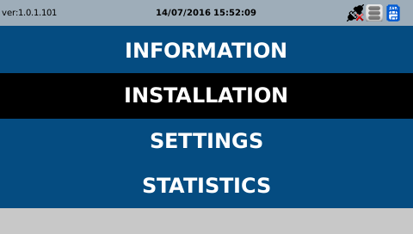 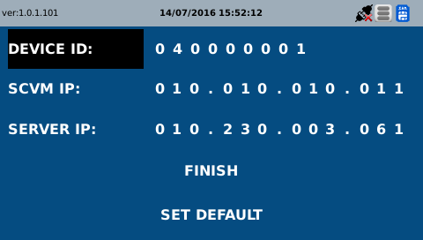 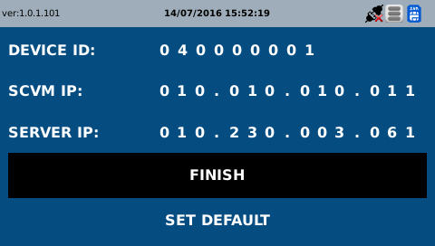

D | 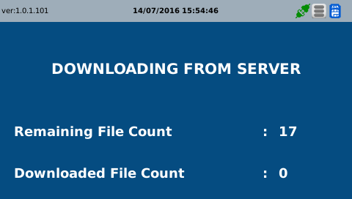  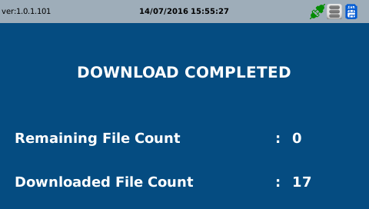

002
▶ Test Case SIT-CVM-MTN-01-002 : Parameter version inquiry at SCVM

1. Test Scenario
Test date |  | 1st |  | Tester |  | 1st
 |  | 2nd |  |  |  | 2nd
 |  | 3rd |  |  |  | 3rd

SCVM
Show the version list of downloaded files
Description |  | Parameter version inquiry at SCVM |  |  |  |  | Written by |  | KIM J.E.
Flow

NO | Task | Test data | Expected result | Person in charge | Result |  | Pass/Fail |  |  | Remark
 |  |  |  |  |  |  | 1st | 2nd | 3rd
1 | Show the version list -. Select the Information menu on the setting's screen. | n/a | SCVM shown the version list of downloaded files | KIM J.E. | 1st |  |  |  |  | Test Data:A
 |  |  |  |  | 2nd
 |  |  |  |  | 3rd

2. Test Data
NO | Item | Value
A | 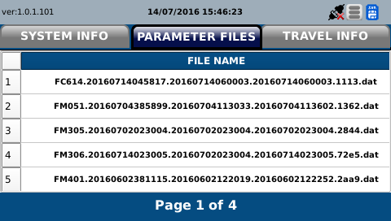  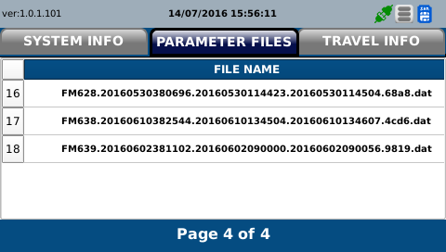 

003
▶ Test Case SIT-CVM-MTN-01-003 :Data Receiving / Sending from SMC to AMC

1. Test Scenario
Test date |  | 1st |  | Tester |  | 1st
 |  | 2nd |  |  |  | 2nd
 |  | 3rd |  |  |  | 3rd

Receiving an installation message from SCVM
Sending an installation message to AMC
Description |  | Data Receiving / Sending from SMC to AMC |  |  |  |  | Written by |  | CHOI H.T.
Flow

NO | Task | Test data | Expected result | Person in charge | Result |  | Pass/Fail |  |  | Remark
 |  |  |  |  |  |  | 1st | 2nd | 3rd
1 | [Receiving an installation message from SCVM] 1. Menu: Metro > Basic Information > Device 2. Input inquiry condition. 3. Click 'Search' button. 4. Move on Detail Information | Test Data: A | 1. Check device hardware Id Information. 2. Check device SAM Id Information. | CHOI H.T. | 1st
 |  |  |  |  | 2nd
 |  |  |  |  | 3rd
2 | [Sending an installation message to AMC] 1. Location: #devonhome/log/testdatedebug.log | N/A | 1. check debug log - Message ID : MM607 / MM608 | CHOI H.T. | 1st
 |  |  |  |  | 2nd
 |  |  |  |  | 3rd

2. Test Data
NO | Item | Value
A | Device ID | 040000001

004
▶ Test Case SIT-CVM-MTN-01-004 : Data Receiving / Sending from AMC to OASA MC

1. Test Scenario
Test date |  | 1st |  | Tester |  | 1st
 |  | 2nd |  |  |  | 2nd
 |  | 3rd |  |  |  | 3rd

Received installation information from SMC
Create and send installation information file
Description |  | Data Receiving / Sending from AMC to OASA MC |  |  |  |  | Written by
Flow

NO | Task | Test data | Expected result | Person in charge | Result |  | Pass/Fail |  |  | Remark
 |  |  |  |  |  |  | 1st | 2nd | 3rd
1 | [Received installation information from SMC] 1. Received Device installation information Message from METRO-SMC 2. Excute ExecuteRcvFileDelegJob |  | 1. Device installation information is Inquired | ROH S.W. | 1st
 |  |  |  |  | 2nd
 |  |  |  |  | 3rd
2 | [Create and send installation information file] 1. Execute smartafc.rail.operinfo.samid.job.CreateAndSendSamIdJob 2. -Main Job : AD005 -Sub Job: AD00501 | Test Data : B | 1.event information file is created under: AFCDATA/STASYMC/UPLOAD/ -FM707.createSystemId(9).creatdate(14).sequence(5).dat | ROH S.W. | 1st
 |  |  |  |  | 2nd
 |  |  |  |  | 3rd

2. Test Data
NO | Item | Value
A | Linking Item ID | FM707
 | Cycle | Every 1 hour

005
▶ Test Case SIT-CVM-MTN-01-005 : Receiving installation information of equipment at OASA MC

1. Test Scenario
Test date |  | 1st |  | Tester |  | 1st
 |  | 2nd |  |  |  | 2nd
 |  | 3rd |  |  |  | 3rd

Received installation information from AMC
Inquiry of installation information
Description |  | Receiving installation information of equipment at OASA MC |  |  |  |  | Written by |  | ROH S.W.
Flow

NO | Task | Test data | Expected result | Person in charge | Result |  | Pass/Fail |  |  | Remark
 |  |  |  |  |  |  | 1st | 2nd | 3rd
1 | [Received installation information from AMC] 1.Main Job : [AD004] ExecuteRcvFileDelegJob sub job : AD00401 Execution - smartafc.operation.batch.rcv.job.ExecuteRcvFileDelegJob | Test Data : A | 1. File is moved from /data001/AFCDATA/OASAMC/SHARERCV/ to ./data001/AFCDATA/OASAMC/SHARERCV-BACKUP/ | ROH S.W. | 1st
 |  |  |  |  | 2nd
 |  |  |  |  | 3rd
2 | [Received installation information from AMC] 1. Inquire test data. 2. Click 'Search' button. 3. Show data that meets the inquiry condition | Test Data : B | history Of Sub Job Execution data is inquired Execution Result: [02] Job Success | ROH S.W. | 1st
 |  |  |  |  | 2nd
 |  |  |  |  | 3rd
3 | [Inquiry of installation information] 1. Check at Operation > Receive > Device Installation Information 2. Inquire test data. 3. Click 'Search' button. | Test Data : C | installation data received from SMC is inquired. | ROH S.W. | 1st
 |  |  |  |  | 2nd
 |  |  |  |  | 3rd

2. Test Data
NO | Item | Value
A | Linking Item ID | FM707
B | System Class | Operation
 | Main Job | AD004
 | Sub Job | AD00401
 | Execution Date | Current date
C | Last Status Registration Date | Current date
 | Device ID | 040000001

